Instructions
Overview
This worksheet is intended to help you develop an overall strategy for addressing the aggregate effect of
cell and gene therapies on your organization. This resource provides pipeline projections for your organization,
enabling you to think through the financial implications of cell and gene therapies, and potential
Precision Financing Solutions, processes and capabilities you may need to put in place to prepare for patient
access to these therapies

You are advised to perform more detailed modeling on your own as appropriate. Assumptions used herein
may not reflect your particular circumstances. Please check any information you enter for accuracy.

We have structured this resource around a set of key questions.

Assessment of Access Needs
What is the estimated impact of the coming pipeline of treatments on your business?
Can the impact be handled through your current approaches?
Which precision financing solutions might help?
Do you need to adapt other elements of your approach for this therapy?
Payer Assessment: Pipeline
What is the potential landscape of durable, curative therapies over the foreseeable future?
What is the estimated patient volume and PMPM cost over time for your plan?
What are other factors to consider?
Are current approaches sufficient to address risks?
Actuarial Risk
Payment Timing
Performance Uncertainty
Executional Risk
What are high potential precision financing solutions?
Actuarial risk management
Alternative payment models
What external capabilities might be needed?
Performance Contract Design
Delivery Networks and Policies
Provider Reimbursement
Benefit Design and Coding

The Pipeline Estimator Tool estimates the direct cost of cell and gene therapies to your plan based on your plan size,
and plan/payer type (Medicare, Medicaid, Not Medicare or Medicaid). Based on these parameters, the Pipeline Estimator Tool calculates
your per-member-per-month (PMPM) spend associated with the estimated pipeline for cell and gene therapy expenditures.
Pipeline results can be generated for a mean value, 5% or 95% of the Monte Carlo simulations.

You can use the numbers generated from the pipeline estimator to assess the impact on your organization by considering questions
posed on the worksheet page. A categorization of the Precision Financing Solutions by risk (payment timing, actuarial, performance)
with high-level implementation concerns will help you to consider your organization's preparedness for the pipeline.

Note: High-level estimation methodology
Below is a brief schematic description of the methodology used to arrive at the pipeline estimates. Greater detail is found here.

Figure: Schematic of therapy launch and patient number estimation

Pipeline Estimator Tool
Pipeline Estimator Tool

This workbook provides a simple model that helps you to see how the pipeline of cell and gene therapies may impact your business and what risks you may need to consider and counter.
You are advised to perform more detailed modeling on your own as appropriate. Assumptions used herein may not reflect your particular circumstances. Please check any user-entered information for accuracy.

Please note: White cells are calculated cells and can not be changed - they have been password protected; Green cells require user input; Orange cells are optional user-input cells to override selected calculated assumptions

Pipeline Estimator Line of Business
Step 1. Define pipeline for comparison
The Pipeline Estimator Tool allows you to apply simple population ratios to get a sense of the potential impact of the expected new products on your plan. The pipeline addresses certain conditions are more commonly seen within population segments; for example, Medicare plans will likely see a larger share of the oncology cell therapies; Medicaid plans will see a larger share of treatments to address genetic conditions that manifest in childhood. The pipeline tool enables you to breakdown the General Population (US Census) data into segments of Medicare, Medicaid and Not Medicare or Medicaid to best match the your payer type.
The FoCUS team has developed detailed 'best estimates' of the potential target patient populations associated with clinical trail participant criteria identified through literature review for different therapy indications. Prices for the products are based on current gene and cell therapy products in the market.
 |  |  |  |  | Prices used in the estimation of total pipeline reimbursement
Choose the best pipeline forecast for your plan
 |  |  |  |  |  | Price per Patient Treated | Category
Note - General Population represents all US lives. Not Medicare or Medicaid represents all US lives less Medicare/Medicaid which includes commercial, employer coverage, uninsured, etc. |  |  |  |  |  | $2,500,000 | Ultra-orphan
 |  |  |  |  |  | $800,000 | Orphan conditions
 |  |  |  |  |  | $800,000 | Ophthalmological (genetic)
 |  |  |  |  |  | $500,000 | Higher prevalence genetic
 |  |  |  |  |  | $400,000 | CAR-T/TCR
Select pipeline view from the dropdown menu below |  |  |  |  |  | $100,000 | Ophthalmological (non-genetic)
 |  |  |  |  |  | $50,000 | Osteoarthritis (knee replacement)
Not Medicare or Medicaid |  | .

95th percentile = value at which 5% of Monte Carlo analysis outcomes exceeded these results.
5th percentile = value at which 5% of Monte Carlo analysis outcomes are below these results

Estimated population for "Not Medicare or Medicaid" | 198,075,000

 | 2023 | 2024 | 2025 | 2026 | 2027 | 2028 | 2029 | 2030 | 2031 | 2032
"Not Medicare or Medicaid" Pipeline ($millions) - 95% | $3,481 | $6,932 | $17,042 | $16,910 | $15,555 | $13,902 | $13,625 | $14,258 | $14,956 | $15,617
"Not Medicare or Medicaid" Pipeline ($millions) - Mean | $3,481 | $6,499 | $12,625 | $14,839 | $12,969 | $11,639 | $11,507 | $12,158 | $12,675 | $13,171
"Not Medicare or Medicaid" Pipeline ($millions) - 5% | $3,481 | $4,473 | $6,241 | $12,536 | $12,085 | $7,596 | $8,084 | $8,761 | $9,308 | $9,844

Note: This model estimates off the December 2022 pipeline for cell and gene therapies. As products come to market, patient utilization grows and then falls as any bolus of prevalent patients are treated. The financial projections
follow the same pattern. This projection ONLY includes estimated sales from the current, known, clinical pipeline. Other products will launch during the forecast timeframe and would be expected to INCREASE these numbers,
particularly during the later years.

Plan specific estimated pipeline costs
Step 2: Ratio the selected population to your plan

When you enter your plan size in terms of number of members in the green box below, the pipeline estimator tool will use that number as a share of selected pipeline (Medicare, Medicaid, Non Medicare or Medicaid, General Population) to estimate the numbers that will apply to your plan.

Your Plan Size (# of members) | 125,000

Choose pipeline view (mean, 5%, 95%) from the dropdown menu
 | 5%

95th percentile = value at which 5% of Monte Carlo analysis outcomes exceeded these results.
5th percentile = value at which 5% of Monte Carlo analysis outcomes are below these results

Your numbers as output | 2023 | 2024 | 2025 | 2026 | 2027 | 2028 | 2029 | 2030 | 2031 | 2032
Projected Pipeline - plan specific impact ($millions) | $2.2 | $2.8 | $3.9 | $7.9 | $7.6 | $4.8 | $5.1 | $5.5 | $5.9 | $6.2
Projected Pipeline - plan specific PMPM | $1.5 | $1.9 | $2.6 | $5.3 | $5.1 | $3.2 | $3.4 | $3.7 | $3.9 | $4.1

The numbers above are estimates and solely focused on therapeutic purchase costs. They look at cell and gene therapies as an incremental category. They do not take into account any additional treatment costs beyond the
direct costs of the cell and gene therapy portfolio or any cost-offsets from existing therapies that might be displaced by these treatments or downstream medical, pharmaceutical or other benefits or cost savings that might be achieved

In addition, this is a new area of science, few products are on the market and those that are, are relatively newly available. There is little experience with the extent and speed of patient and physician adoption of these products.
Each medicine will need to be evaluated on its own merits. Therefore, the estimates should be used to inform strategic assessments, but with appropriate appreciation for the challenges of estimating a new-to-world class of therapies.
We advise each organization to conduct its own more detailed operational analysis before making final decisions.

Guide to Strategic Considerations
Step 3 - Organization assessment of pipeline impact.

Strategies to address pipeline projections of total cost and PMPM must address growth in cost over time, surges in cost due to new treatments for prevalent populations, actuarial risks from incidence of high cost orphan conditions and opportunities to protect payment value for treatment against failure of product to deliver outcomes. |  | Check points
 |  | q | Able to manage the growth in PMPM
 |  | q | Able to anticipate/plan for surge in costs due to prevalent populations
 |  | q | Able to secure/maintain any needed mechanism for actuarial risk (stop loss, reinsurance, risk pools, etc.)
 |  | q | Able to protect treatment benefit with performance guarantees

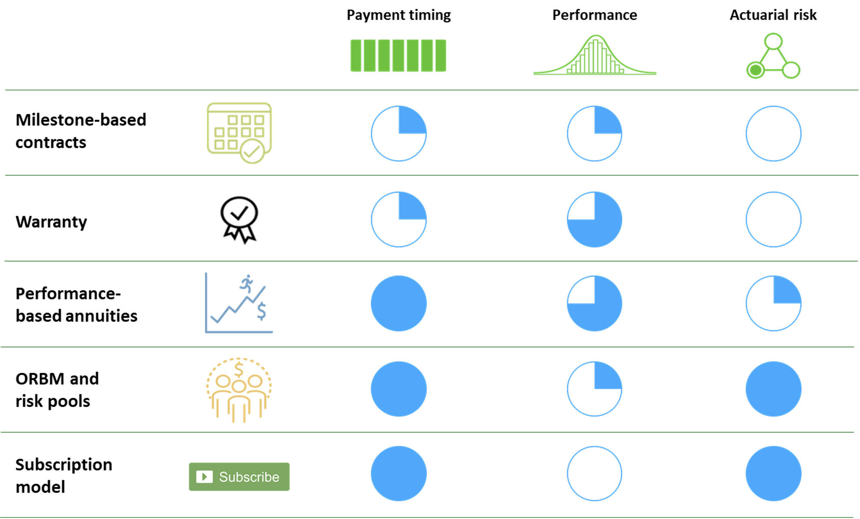
 |  |  |  | You may wish to consider one of the FoCUS Precision Financing Solutions. Note however, that no one Precision Financing Solution addresses all components of risk and a combination of finance solutions may be needed to prepare your organization for the pipeline impact.

 |  |  |  | Resources for Implementation of any of the Precision Financing Solutions should be considered when selecting a precision financing approach. Capabilities maybe found within your organization or may require contracting externally. Considerations for implementation are presented in the table below.

 |  |  |  | A total solutions strategy also requires consideration of:
 |  |  |  |  | - Provider delivery network / Centers of Excellence contracting
 |  |  |  |  | - Out of state networks
 |  |  |  |  | - Provider reimbursement
 |  |  |  |  | - Benefit design

Precision Financing Solutions | Data collection | Developer contract | Clinical Coordination | Patient Mobility | Provider Contracts
Milestone based agreement (MBA) | Yes | Yes | Maybe |  | Maybe
Multi-year milestone based agreement | Yes | Yes | Maybe | Yes | Maybe
MBA with additional finance solution | Yes | Yes | Maybe | TBD* | Maybe
Warranty - Stand alone (note - data collection by OBCA) | Yes - Claims | Yes
Warranty with additional finance solution | Yes - Claims | Yes | TBD* | TBD* | TBD*
Payment over time/installment payments |  |  |  |  | Yes
Performance based annuity | Yes | Yes | Maybe | Yes | Maybe
Subscription Model |  | Yes |  |  | Maybe
Performance based subscription model | Yes | Yes | TBD* | TBD* | Maybe
Stop-Loss / Reinsurance
Stop-Loss / Reinsurance w/ MBA or Warranty | Yes | Yes | TBD* | TBD* | TBD*
Therapy specific risk pools
Therapy specific risk pools w/ MBA or warranty | Yes | Yes | TBD* | TBD* | TBD*

*TBD is defined by the financial solution selected

