Instructions
Overview
This section is intended to help individuals developing an overall strategy for addressing the aggregate effect of
durable, curative cell and gene therapies on their organizations. It provides a concise resource for payer organizations
wishing to think through the implications of the pipeline of durable therapies for their businesses and potential
precision financing solutions, processes and capabilities they may need to put in place to prepare for patient
access to these therapies

Users are advised to perform more detailed modeling on your own as appropriate. Assumptions used herein
may not reflect your particular circumstances. Please check any user-entered information for accuracy.

We have structured this resource around a set of key questions.

Assessment of Access Needs
What is the estimated impact of the coming pipeline of treatments on your business?
Can the impact be handled through your current approaches?
Which precision financing solutions might help?
Do you need to adapt other elements of your approach for this therapy?
Payer Assessment: Pipeline
What is the potential landscape of durable, curative therapies over the foreseeable future?
What is the estimated patient volume and PMPM cost over time for your plan?
What are other factors to consider?
Are current approaches sufficient to address risks?
Actuarial Risk
Payment Timing
Performance Uncertainty
Executional Risk
What are high potential precision financing solutions?
Actuarial risk management
Alternative payment models
What external capabilities might be needed?
Performance Contract Design
Delivery Networks and Policies
Provider Reimbursement
Benefit Design and Coding

1. The Pipeline Estimator Tool estimates the direct cost of durable therapies to your plan based on your plan size,
which you can further customize. Based on your plan size, the Pipeline Estimator Tool also calculates your
per-member-per-month (PMPM) spend associated with estimated durable cell and gene therapy expenditure.
2. The Solution Prioritization Tool builds on the insights from the expected financial therapy impact
and on your organization’s preferences, to help you assess precision financing needs for your organization.
Based on the choices you make, the Solution Prioritization Tool suggests preferred financing solutions.

Note: High Level Estimation Methodology
Below is a description of the methodology used to arrive at the pipeline estimates.

MIT NEWDIGS FoCUS undertook a pipeline analysis to determine the scale of the financing challenge of
durable, potentially curative therapies in the United States. The figure below illustrates the basic
methodology employed.

Figure: Schematic of Therapy Launch and Patient Number Estimation

Therapies were identified primarily by utilizing appropriate therapeutic classes and modalities as search
criteria in the citeline™ Pharmaprojects™ database. Further therapies were found in the clinicaltrials.gov
database using a combination of natural language processing and manual searches and extraction.
Clinical trials registered on clinicaltrials.gov were identified where possible for all identified therapies.
Only interventional trials with a known status and Phase were included. In addition to these therapies,
a sample of gene therapies in advanced preclinical investigation was identified from the
citeline™ Pharmaprojects™ database for inclusion in our analysis.

Data were then ﬁltered for cell and gene therapy on the basis of the plasmid DNA, viral vectors, human gene
editing technology, and patient-derived cellular gene therapy products. Qualifying therapies were those
falling into the modalities below, and which produce or promise to produce durable effects beyond 18
months from treatment:
- Gene replacement therapies both in vivo and ex vivo using viral vectors
- T-cell receptors (TCRs) and immune cells engineered to incorporate chimeric antigen receptors (CARs)
- Gene editing therapies:
 | - Zinc finger nucleases (ZFNs)
 | - Transcription activator-like effector nucleases (TALENs)
 | - CRISPR-Cas9 (clustered regularly interspaced short palindromic repeats)
- Long-acting DNA plasmids

We excluded the following on the basis of focusing on durable, potentially curative therapies: siRNA
therapies delivered naked, via liposomes, nanoparticles, or in bacteria; vaccines; mRNAs delivered
via liposomes or nanoparticles; and oncolytic viruses.

Two scoping decisions impact the estimates:
- First, the decision to exclude clinical trials based in China for therapies developed by Chinese companies.
We assumed these therapies were targeted for the Chinese market and have not included them.
- Second, the impact of an ‘expanded snapshot’ of the clinical pipeline – including pre-clinical development
programs. Very accurate pipeline projection for therapies with no clinical history is impossible.
We have excluded these very early stage therapies.

For use in the modeling process, the remaining data were characterized by product, indication, and disease
group. Each product-indication was modeled separately in an overall Monte-Carlo model.

To forecast the number of product launches, the team applied estimates of the time taken to progress through
each level of trials, and probabilities of success (deﬁned as the probability that a product, on completing one
level in the trials process, will initiate a trial at the next level) of each trials program. Estimates of the duration
of the phases of clinical trials were obtained by examining samples of completed trials. Therapies from the
target categories above make up too small a sample size to populate the model parameters for estimating
trial durations; therefore, a larger set of cell and gene therapies was used, still restricted to novel,
large-molecule therapies. These data were extracted in September 2018. Start dates and primary end
dates of individual trials were extracted from the data; these were the basis for estimating trial
durations by phase: Phase 1, Phase 2 (including Phase 1/2), and Phase 3 (including Phase 2/3). Trials that had
not reached a conclusion (completed, terminated or withdrawn) were discarded. Phase-specific distribution
functions were used to determine the probability of a trial completing (successfully or not) in each
cycle of the model. From these samples, completion curves were derived for each phase of trials,
relating time taken to complete a trial to the number of trials taking that amount of time. These were used
probabilistically to forecast whether an active trial would be completed in the current year of forecast.
The same data set of completed trials, broken down into 4 groups for the purposes of forecasting:
hematological cancers, solid tumors, gene therapies for orphan diseases, and gene therapies for higher
prevalence diseases, was used to derive probable success rates for each phase of trials.

Population incidence and prevalence data for non-oncology, gene therapy products were obtained through
targeted searches of published and online literature on diseases for each disease for which a gene therapy is in
our trials pipeline. The team reviewed clinical trial study eligibility criteria carefully to derive as tight an estimate
of the expected pool of treatment-eligible patients as possible. Oncology data were obtained from the most
recent SEER database. For our purposes we deﬁned the treatment-eligible population as those who would not
survive 5 years after diagnosis. The most relevant therapies in this analysis are CAR-T and T-cell receptor
therapies, which are most likely to be second-line and third-line treatments. Patients who survive longer than
5 years have generally responded well to ﬁrst-line or second-line therapies. Those with relapsed or refractory
disease represent the patient pool who might beneﬁt from CAR-T or T-cell receptor therapies. On average
these are about 30% of those diagnosed, although for individual cancers, the proportions range from more
than 90% (for lung or pancreatic cancer) to less than 10% (for prostate cancer). The implication is that the
potentially treatable pool in oncology is entirely incident—there is no prevalence.

In the case of approval, data on treatment-eligible incident and prevalent patient
populations, together with projections of the penetration rate for the product, were used to estimate the
potential number of patients on a year-by-year basis.

Once launched, new products will have market penetration established on the basis of adoption, which
comprises 2 factors: the maximum penetration rates achieved for incident cases, including the time taken to
reach that ceiling, and the maximum proportion of prevalence cases to be “cleared,” and the time taken for
that. In diseases with poor prognosis (e.g., aggressive cancers), there will be very little backlog because few
patients survive. Many cell and gene therapies in development, however, are targeted at chronic conditions.
Both uptake and clearance are expected to be lower than 100% because of factors such as other non–cell
and gene therapy products in the market, payer-imposed access restrictions, or individual willingness to try
new-to-world treatments relative to existing alternatives.

Adoption and market penetration cannot be known reliably for some time for cell and gene therapies. In
addition to insufﬁcient real-world data, historical data make a poor foundation for forming assumptions
because they will not include cell and gene therapies. Our analyses were based on assumptions that are
ﬂexible, but in the base case are maximum penetration rate of new incident cases of 90% in total for all
products in an indication, with a 2-year ramp-up to that ceiling from the time of the ﬁrst product’s launch;
maximum penetration rate of prevalent cases (the “backlog”) of 70%, also in total for all products in an
indication with a 5-year time frame to clear. These assumed base-case parameters were formed jointly
by the authors, including the MIT NEWDIGS FoCUS Writing Group. The differential penetration rates for
incident and prevalent cases reﬂect a decline based on access restrictions, patient deaths, or other
factors that reduce eligibility. The explicit access restriction of all erstwhile eligible patients is a limit on
access that reﬂects (1) access restrictions (e.g., by payers, but also clinician prescribing, etc.) and
(2) likely narrowing of indications relative to what were broad indications listed in clinical trials databases.

Our model uses a Markov Chain Monte Carlo process; within each iteration of the model, each individual
development program was forecast on a year-on-year basis. I.e., in any given cycle
- If a trial is successfully concluded, a new trial at a higher level will be considered to have started
- If a trial is unsuccessful, this terminates the development program

The highest development level that can be achieved is approval.

For each development program the estimated year of approval, should it occur, is noted. Across all
iterations the years of approval are summarized to provide probabilities that approval will be
obtained in specific years (typically, our results are based on 100,000 iterations).

To derive potential total expenditures, estimated patient numbers were multiplied by estimated
price/patient treated. Prices were assumed to be $1,500,000 per medicine for ultra-orphan diseases,
$800,000 for orphan diseases, $500,000 for higher prevalence conditions, and $400,000 for CAR-Ts and
TCRs (cancer therapies). These figures will be adjusted periodically to reflect market-based pricing
information as more gene therapies gain approval and are launched.

Pipeline Estimator Tool
Pipeline Estimator Tool

This workbook is intended to provide a simple model that helps users see how the pipeline of durable cell and gene therapies may impact their business and what risks they may need to consider and counter.
Users are advised to perform more detailed modeling on your own as appropriate. Assumptions used herein may not reflect your particular circumstances. Please check any user-entered information for accuracy.

Please note: White cells are calculated cells and can not be changed - they have been password protected; Green cells require user input.

Pipeline Estimator Line of Business
Step 1. Define pipeline for comparison
The Pipeline Estimator Tool allows you to apply simple population ratios to get a sense of the potential impact of the expected new products on your plan. The pipeline addresses certain conditions as being more commonly seen within population segments; for example, Medicare plans will likely see a larger share of the oncology cell therapies; Medicaid plans will see a larger share of treatments to address genetic conditions that manifest in childhood. The pipeline tool enables the user to breakdown the General Population (US Census) data into segments of Medicare, Medicaid and Not Medicare or Medicaid to best match the users' plan type.
The FoCUS team has developed detailed "best estimates" of market penetration and adoption associated with different therapy indications given clinical trial participant criteria through detailed literature review. Results are presented at 5%, 95% and the mean output from the model. Prices for the products are based on current gene and cell therapy products in the market.
 |  |  |  |  | Prices used in the estimation of total pipeline reimbursement
Choose the best pipeline forecast for your plan |  |  |  |  |  | Price per Patient Treated | Category
Note - General Population represents all US lives. Not Medicare or Medicaid represents all US lives less Medicare/Medicaid and represents commercial, employer coverage, uninsured, Federal employees, VA, etc. |  |  |  |  |  | $1,500,000 | Ultra-Orphan
 |  |  |  |  |  | $800,000 | Orphan conditions
 |  |  |  |  |  | $800,000 | Genetic Ophthalmological
 |  |  |  |  |  | $500,000 | Higher prevalence genetic
 |  |  |  |  |  | $400,000 | CAR-T
Select pipeline view from the dropdown menu below |  |  |  |  |  | $100,000 | AMD Wet
 |  |  |  |  |  | $50,000 | Osteoarthritis
Not Medicare or Medicaid |  | .

95th percentile = value at which 5% of Monte Carlo analysis outcomes exceeded these results.
5th percentile = value at which 5% of Monte Carlo analysis outcomes are below these results

Estimated population for "Not Medicare or Medicaid" | 198,075,000

 | 2022 | 2023 | 2024 | 2025 | 2026 | 2027 | 2028 | 2029 | 2030 | 2031
"Not Medicare or Medicaid" Pipeline ($millions) - 95% | $3,856 | $4,895 | $5,510 | $6,131 | $6,492 | $6,960 | $7,486 | $7,896 | $8,356 | $8,814
"Not Medicare or Medicaid" Pipeline ($millions) - Mean | $3,417 | $4,234 | $5,384 | $5,983 | $6,215 | $6,432 | $6,655 | $6,881 | $7,120 | $7,343
"Not Medicare or Medicaid" Pipeline ($millions) - 5% | $3,164 | $3,438 | $4,153 | $4,594 | $4,720 | $4,823 | $4,899 | $5,047 | $5,228 | $5,405
Percentage change to mean |  | 24% | 27% | 11% | 4% | 3% | 3% | 3% | 3% | 3%

Note: This model estimates off the December 2020 pipeline for durable gene and cell therapies. As these come to market, patient utilization grows and then falls as any bolus of prevalent patients are treated. The financial projections
follow the same pattern. This estimate ONLY includes estimated sales from the current, known, clinical pipeline. Other products will launch during the forecast timeframe and would be expected to INCREASE these numbers,
particularly during the later years.

Plan specific estimated pipeline costs
Step 2: Ratio the selected population to your plan

When you enter your plan size in terms of number of members in the green box below, the pipeline estimator tool will use that number as a share of selected pipeline (Medicare, Medicaid, Non Medicare or Medicaid, General Population) to estimate the numbers that will apply to your plan.

Your Plan Size (# of members) | 125,000

Select a pipeline view from the dropdown menu | 95%

Your numbers as output | 2022 | 2023 | 2024 | 2025 | 2026 | 2027 | 2028 | 2029 | 2030 | 2031
Projected Pipeline - plan specific impact ($millions) | $2.4 | $3.1 | $3.5 | $3.9 | $4.1 | $4.4 | $4.7 | $5.0 | $5.3 | $5.6
Projected Pipeline - plan specific PMPM | $1.62 | $2.06 | $2.32 | $2.58 | $2.73 | $2.93 | $3.15 | $3.32 | $3.52 | $3.71

The numbers above are estimates and solely focused on therapeutic purchase costs. They look at durable gene and cell therapies as an incremental cost category. They do not take into account any additional treatment costs
beyond the direct costs of the durable therapy portfolio or any cost-offsets from existing therapies that might be displaced by these treatments or downstream medical, pharmaceutical or other benefits or cost savings that might be achieved.

In addition, this is a new area of science, few products are on the market and those that are, are relatively newly available. There is little experience with the extent and speed of patient and physician adoption of these products.
Each medicine will need to be evaluated on its own merits. Therefore, the estimates should be used to inform strategic assessments, but with appropriate appreciation for the challenges of estimating a new-to-world class of therapies.
We advise each organization to conduct its own more detailed operational analysis before making final decisions.

Guide to Strategic Considerations
Step 3 - Organization assessment of pipeline impact.

Strategies to address pipeline projections of total cost and PMPM must address growth in cost over time, surges in cost due to new treatments for prevalent populations, actuarial risks from incidence of high cost orphan conditions and opportunities to protect payment value for treatment against failure of product to deliver outcomes. |  | Indicate Yes or No
 |  |  | Able to manage the growth in PMPM
 |  |  | Able to anticipate/plan for surge in costs due to prevalent populations
 |  |  | Able to secure/maintain any needed mechanism for actuarial risk (stop loss, reinsurance, risk pools, etc.)
 |  |  | Able to protect treatment benefit with performance guarantees

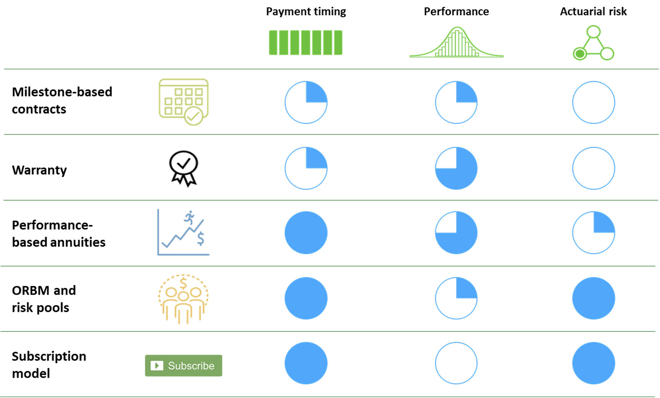
 |  |  |  | You may wish to consider one of the FoCUS precision finance solutions. Note however, that no one precision financing solution addresses all components of risk and a combination of finance solutions may be needed to prepare your organization for the pipeline impact.

 |  |  |  | Resources for Implementation of any of the precision financing solutions should be considered when selecting a precision financing approach. Capabilities maybe found within your organization or may require contracting externally. Considerations for implementation are presented in the table below.

 |  |  |  | A total solutions strategy also requires consideration of:
 |  |  |  |  | - Provider delivery network / Centers of Excellence contracting
 |  |  |  |  | - Out of state networks
 |  |  |  |  | - Provider reimbursement
 |  |  |  |  | - Benefit design

Precision Financing Solutions | Data collection | Developer contract | Clinical Coordination | Patient Mobility | Provider Contracts
Milestone based agreement (MBA) | Yes | Yes | Maybe |  | Maybe
Multi-year milestone based agreement | Yes | Yes | Maybe | Yes | Maybe
MBA with additional finance solution | Yes | Yes | Maybe | TBD* | Maybe
Warranty - Stand alone (note - data collection by OBCA) | Yes - Claims | Yes
Warranty with additional finance solution | Yes - Claims | Yes | TBD* | TBD* | TBD*
Payment over time/installment payments |  |  |  |  | Yes
Performance based annuity | Yes | Yes | Maybe | Yes | Maybe
Subscription Model |  | Yes |  |  | Maybe
Performance based subscription model | Yes | Yes | TBD* | TBD* | Maybe
Stop-Loss / Reinsurance
Stop-Loss / Reinsurance w/ MBA or Warranty | Yes | Yes | TBD* | TBD* | TBD*
Therapy specific risk pools
Therapy specific risk pools w/ MBA or warranty | Yes | Yes | TBD* | TBD* | TBD*

*TBD is defined by the financial solution selected

