Instructions
Overview
This workbook is a modeling tool for plan-specific estimates of the financial impact from clinically eligible population seeking treatment. It is based on disease specific inputs used in the
MIT FoCUS' Pipeline Analysis Model. The worksheets sequentially address key aspects of a particular disease treated by a cell or gene therapy, to assess the treatment's potential financial
impact on an organization.
 | Population Estimator Tool - Identification of disease incidence and prevalence specific to the genetic therapy and payer type.
 | Market Adjustment Tool - Consideration of factors impacting treatment as the LIKELY TO BE TREATED population is expected to be smaller than the treatment eligible population.
 | Therapy Impact Modeling Tool - Plan specific estimations of actuarial risks and financial burden based on costs of the population likely to be treated.
 | Solution Prioritization Tool - Summarization of the therapy's financial impact and strategy considerations for payments.

Users are advised to perform more detailed modeling on your own as appropriate. Assumptions used herein
may not reflect your particular circumstances. Please check any user-entered information for accuracy.

High Level Estimation Methodology
MIT NEWDIGS FoCUS undertook a pipeline analysis to determine the scale of the financing challenge of
durable, potentially curative therapies in the United State that provides the data used in the Payer- Individual Indication Workbook.
A synthesis of the approach to establish these estimates is found here. https://payingforcures.mit.edu/toolkit-estimation-methodology/

Worksheet Inputs
The Payer- Individual Indication workbook consists of four pages for payer input:

Population Estimator Tool
Therapy Impact Modeling Tool
Solution Prioritization Tool
Individual Indication
Assessment
Market Adjustment Tool

The data you provide on the population estimator and market adjustment worksheets will be used as inputs to the therapy impact modeling tool that illustrates the impact on your business. This specific impact will be summarized on the solution prioritization tool to help suggest preferred financing solutions to consider based on the experiences of FoCUS members and pilots.

 |  | Inputs to Prepare
Modeling Tool |  | Bold -required; Orange -optional input
The Population Estimator Tool helps stakeholders assess the potential patient population associated with an indication that may be treated with gene or cell therapy. Subpopulations are to be selected for the cell or gene therapy of interest. Inputs of payer type and payer size are possible to clarify an organization's potential for treatment of a patient. |  | Therapeutic class in review Disease of interest Genetic subpopulation of interest Payer membership by line of business (Medicare/Medicaid/Not Medicare or Medicaid)
The Market Adjustment Tool helps stakeholders assess the portion of treatment eligible patients that will likely be treated. Descriptions of the disease are provided to inform stakeholders of factors that will influence provider and patient treatment decisions and apply an adjustment for market penetration. Inputs to estimate the product adoption curve may also be adjusted to define treatment numbers. |  | Adjustment factor for market penetration of less than 100%. Market adoption rate (default rate provided) Plan specific numbers of patients to be treated, if known.
The Therapy Impact Modeling Tool helps payers understand the expected per member per month (PMPM) impact the indication could have on a plan and its actuarial volatility. Cost of therapy for a condition is pre-set based on historical data. Stakeholder input allows for therapy costs to be overridden and to add additional costs such as administration. The workbook may be set for display of the expected outcome or allow for randomized views of actuarial risk using the F9 function key. |  | Therapy cost per patient (default cost provided) Additional associated costs Additional contract offsets from rebates, secondary insurance, etc.
The Solution Prioritization Tool builds on the insights from the expected financial therapy impact as detailed in the Therapy Impact Modeling Tool and on your organization’s preferences, to help you assess precision financing needs for your organization. Based on the choices you make, the Solution Prioritization Tool suggests possible financing solutions. Additional considerations for implementing the solution is also provided. |  | Working knowledge of budget and cash flow implications unanticipated costs; Numbers of existing patients anticipated to seek treatment if evaluating a prevalent disease condition; Organizational desire/readiness for performance based contracting to protect financial outlay associated with therapy.

Please note on each worksheet: White cells are calculated cells and cannot be changed - they have been password protected; Green cells require user input; Orange cells are optional user-input cells to override selected calculated assumptions

Sol'n Priorit Tool
 | Solution Prioritization Tool

The Solution Prioritization Tool is intended as an aide to narrowing the precision financing solutions identified by the FoCUS Consortium for addressing different financing risks.
It asks you to consider the expected financial therapy impact as detailed in the Therapy Impact Modeling Tool and your organization’s preferences and assesses the implications for your organization.
Based on the assessment choices you make, the Solution Prioritization Tool will suggest preferred financing solutions.

The Solution Prioritization Tool will also point you to other solution design considerations you may wish to consider in building a full solution for providing patient access to the selected therapy.
Users are advised to perform more detailed modeling on your own as appropriate. Assumptions used herein may not reflect your particular circumstances. Please check any user-entered information for accuracy.

Please note: White cells are password protected; Orange cells are optional user-input cells to override specific assumed or calculated values; Scrolling over Pink cells provides further information.
Detailed instructions on completing this worksheet tool may be found here: Individual Indication Workbook background
Results Summary
Indication (From Population Estimator Tool) | Cancer, hematological | Cancer, leukaemia, acute lymphocytic |  |  | CD19

Probability of One Patient for condition | 28.0%

PMPM Impact of one patient | $1.38

Expected Outcome
 | 2022 | 2023 | 2024 | 2025 | 2026
Total Cost ($millions) | $0.0 | $0.0 | $0.0 | $0.0 | $0.0
PMPM | $0.00 | $0.00 | $0.00 | $0.00 | $0.00

95% of the Time, Outcomes will not Exceed about… |  |  |  | x
 | 2022 | 2023 | 2024 | 2025 | 2026
Total Cost ($millions) | $2.2 | $2.2 | $2.2 | $2.2 | $2.2
PMPM | $1.38 | $1.38 | $1.38 | $1.38 | $1.38

Payer Financial Assessment
Step One - Assessment of actuarial, payment timing and performance risks
Actuarial Risk
The Therapy Impact Modeling Tool illustrates the annual estimated PMPM for the indication, the expected likely maximum cost that the plan could experience, and the cost if a plan has one patient
(for ultra-rare therapies, small plans statistically will likely have either no or one patient, though which of the two scenarios will transpire is difficult to predict). Based on this, you can assess whether
your plan is likely to be able to manage the actuarial uncertainty associated with the potential number of patients and the cost of the medicine in the timeframe they are expected.

Does your organization have significant actuarial risk for the therapy that is not managed through your existing mechanisms (risk premium, stop loss, reinsurance, risk pooling, etc.)? |  |  | No | (Y/N)
If your organization is unlikely to treat patients (95% of outcomes have no treated patients), would treating one patient cause significant financial impact if it occurs? |  |  | No | (Y/N)

Payment Timing Risk
Based on the expected number of patients for the indication, and insights from the Therapy Impact Modeling Tool’s annual estimated PMPM for the indication, expected likely maximum cost that the plan
could experience, and cost for one patient, you can assess whether your plan is likely to be able to manage the financial impact of the medicine in the timeframe it is expected.
Note, that these estimates are based on any additional treatment costs or any cost-offsets from existing therapies or rebates entered into the Therapy Impact Model.
You may wish to consider evaluation of product alone if uncertainty exists around these cost or cost-offsets in future years.

Given the costs/PMPM, would the financial impact be higher than your organization can absorb in any year if the high (95%) outcome occurs? |  |  | Yes | (Y/N)
Would this financial impact only be an issue in early years (surge effect due to prevalent disease frequency)? |  |  | No | (Y/N)

Performance Risk
Real world efficacy and durability are expected to be uncertain for a number of these therapies at the time of initial regulatory approval and market launch. Your plan may desire
financial risk be shared with the developer regarding the product's performance. Various performance guarantee arrangements between payers and developers have been included
in the financial tools.

Will a performance guarantee be desired to provide/secure therapy access? |  |  | Yes | (Y/N)

Needs Determination / Potential Solutions
Step 2 - Model solutions based on financial assessment
Step 1 answers for actuarial, payment timing and performance risks should collectively inform your strategy and assessment of the need for new financing solutions. The following three questions are used to suggest potential financial solutions to fit your needs. Solution requirements of the payer provides a high level assessment of the capabilities/resources needed to implement the financial solution.

Is organization able to manage indication's financial impact with current strategy? |  |  |  | No
 |  |  |  |  |  |  |  | Yes
Are potential patients identifiable (e.g. individuals living with a conditions such as hemophilia)? |  |  |  | No

Does organization desire to address therapeutic performance risk? |  |  |  | Yes

 |  | Solution Implementation Requirements for Payer |  |  |  |  | It may not be efficient for all payer organizations to build capabilities internally to serve patients treated with durable therapies or to establish their own contracts with treating providers and developers. Market solutions are emerging to efficiently address the required capabilities.
Assessment recommendations |  | Data collection | Developer contract | Clinical Coordination | Patient Mobility | Provider Contracts
Milestone based agreement (MBA) | NA
Multi-year milestone based agreement | NA
MBA with additional finance solution | Possible Solution | Yes | Yes | Maybe | Yes | Maybe
Warranty - Stand alone (note - data collection by OBCA) | NA
Warranty with additional finance solution | Possible Solution | Yes-claims | Yes | TBD* | TBD* | TBD*
Payment over time/installment payments | NA
Performance based annuity | Possible Solution | Yes | Yes | Maybe | Yes | Maybe
Subscription Model | NA |  |  |  |  |  | A Supplier Evaluation template has been developed to help a payer evaluate gene and cell therapy service products and the organizations administering them.
Performance based subscription model | NA
Stop-Loss / Reinsurance | NA
Stop-Loss / Reinsurance w/ MBA or Warranty | Possible Solution | Yes | Yes | TBD* | TBD* | TBD*
Therapy specific risk pools | NA
Therapy specific risk pools w/ MBA or warranty | Possible Solution | Yes | Yes | TBD* | TBD* | TBD*
 |  |  |  |  |  |  | Click here for the template.
*TBD - Solution requirements depend on the finance solution selected.
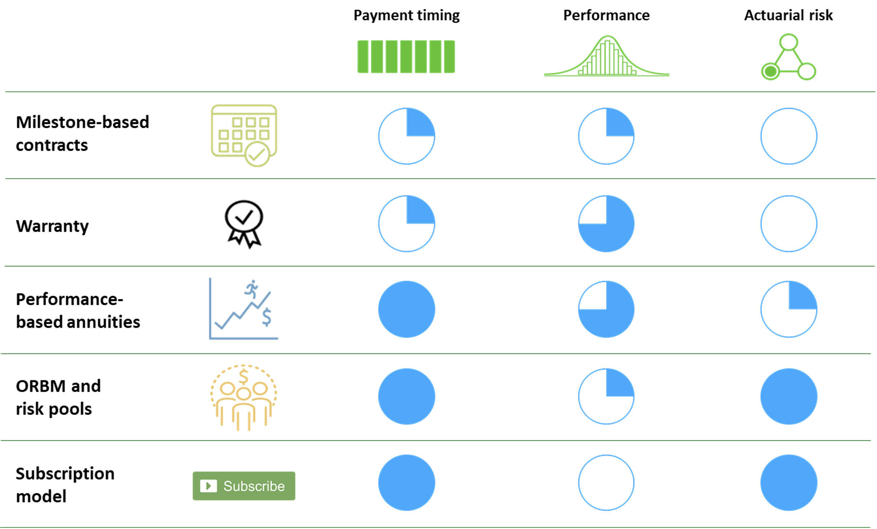
 |  |  |  | FoCUS precision financing solutions vary in their ability to address key challenges associated with cell and gene therapies.

 |  |  |  | Blue circles represent the proportion of the associated challenge (payment timing, performance, actuarial risk) addressed by the precision financing solution. A full blue circle indicates the challenge is fully addressed; an empty circle indicate this solution has not addressed the challenge.

